Sheet1
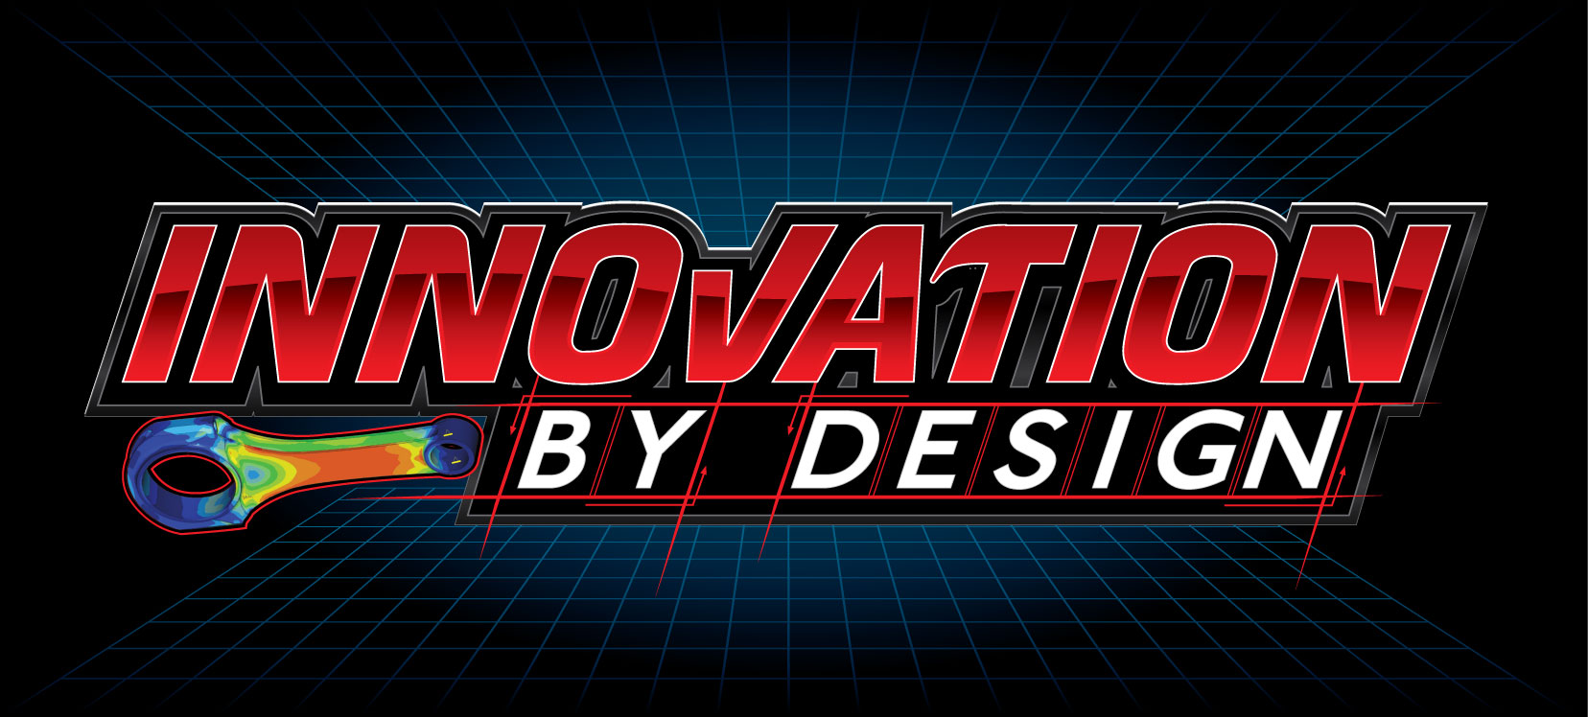
CONTRACT SAVINGS WORKSHEET

 | INSTRUCTIONS:
 | 1) Enter the anticipated hours required per week (Yellow). 2) Select the desired contract hours from the drop down list (Green). 3) Review the schedule of payment options for the maximum savings. 4) Give us a call at 507-456-6652 and let us know what works best for you.
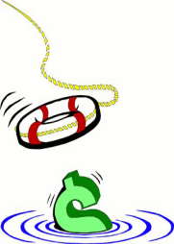
 | USER INPUT VALUES

 |  | 8.0 | <-- AVERAGE ANTICIPATED HOURS PER WEEK.
 |  | 8 | <-- DESIRED CONTRACT HOURS PER WEEK.

 |  | PAYMENT SCHEDULE OPTIONS |  |  |  | MONTHLY COST | MONTHLY SAVINGS
 |  | OPTION #1 - STANDARD RATE OF $95.00 PER HOUR. |  |  |  | $3,290.80 | N/A
 |  | OPTION #2 - QUICK PAY RATE OF $85.00 PER HOUR.+ |  |  |  | $2,944.40 | $346.40 | 11%
 |  |  | +QUICK PAY APPLYS TO PAYMENTS RECEIVED WITHIN 10 DAYS.
 |  | OPTION #3 - 6 MONTH CONTRACT WITH QUICK PAY.* |  |  |  | $2,600.00 | $690.80 | 21%
 |  | OPTION #4 - 12 MONTH CONTRACT WITH QUICK PAY.* |  |  |  | $2,253.33 | $1,037.47 | 32%
 |  |  | * ADD | $- | PER MONTH WITHOUT QUICK PAY.

 | LIMITED AVAILABILITY! GIVE US A CALL TO RESERVE YOUR SPOT TODAY! 507-456-6652

 | EXPERIENCED, LICENSED, AND INSURED P.E. LEVEL ENGINEERING AT THE LOWEST RATES POSSIBLE!

INNOVATION BY DESIGN, INC. 220 WEST FIRST STREET / PO BOX 347 •WEST CONCORD • MN 55985 • 507-456-6652 • INFO@IBDENG.COM • WWW.IBDENG.COM

